33
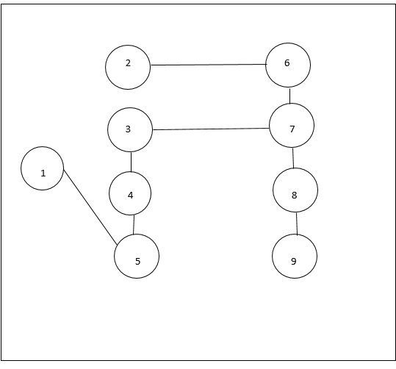
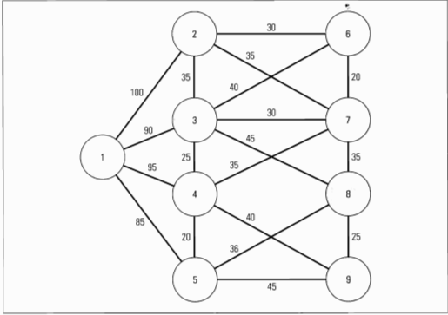
From the given graph we decide on the least costly path connecting each node
Starting with 1,the cheapest path is 5
From 5 the node with least costly path is 4
From 4 it is 3 and from 3 it is 7
From 7 the cheapest node is 6 and 6 is connected to node 2
node 7 is then connected to node 8 which is again connected to node 9 completing the path of ductwork for heating and air conditioninng

From | To | Cost
1 | 5 | 85
5 | 4 | 20
4 | 3 | 25
3 | 7 | 30
7 | 6 | 20
6 | 2 | 30
7 | 8 | 35
8 | 9 | 25

 | Total cost | 270

 | Final path:

